Use_Case
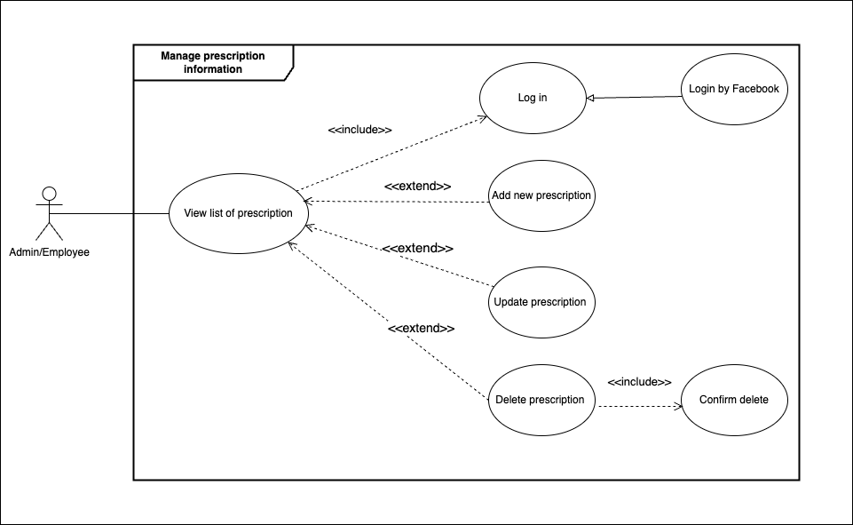
6.11.6 Quản lí thông tin toa thuốc (CRUD)

Class_Diagram
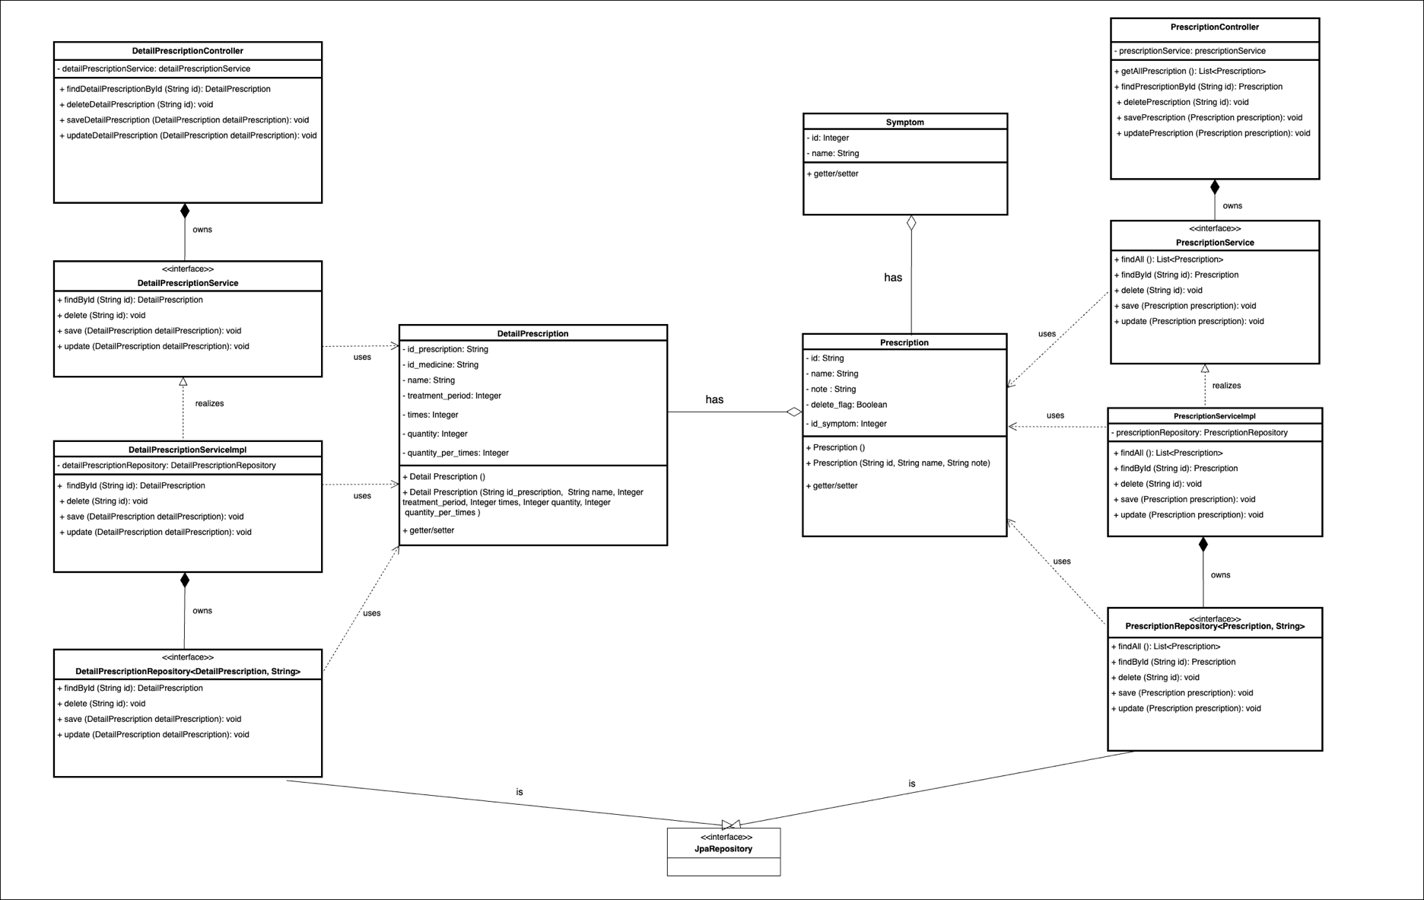
6.11.6 Quản lí thông tin toa thuốc (CRUD)

Sequence_Diagram
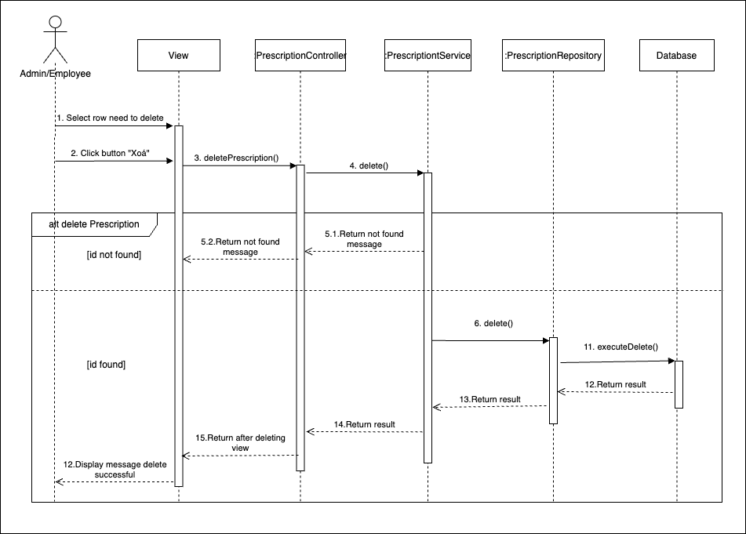
6.11.6.1.2 Màn hình danh sách hiển thị thông tin toa thuốc
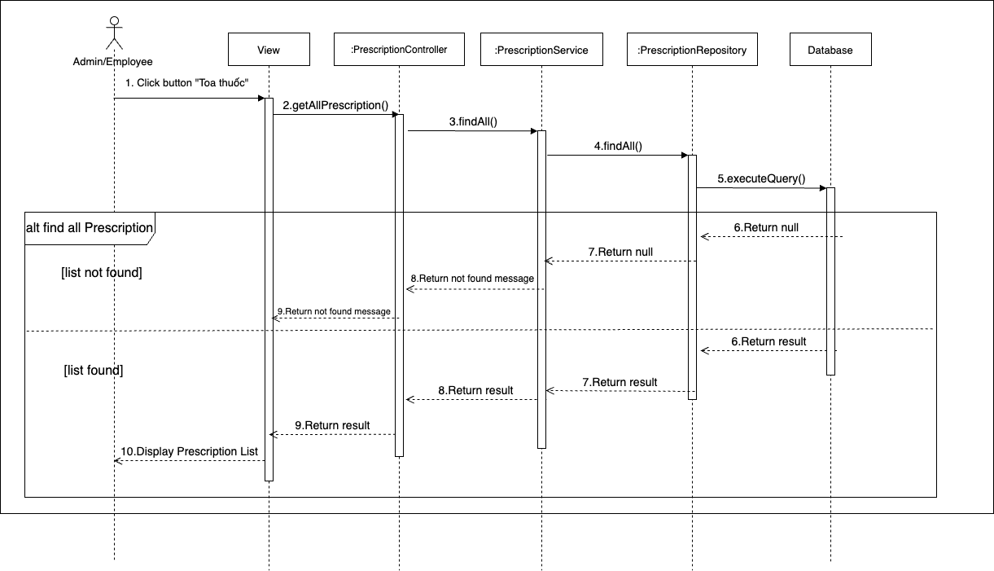

6.11.6.1.2 Màn hình thêm toa thuốc mới

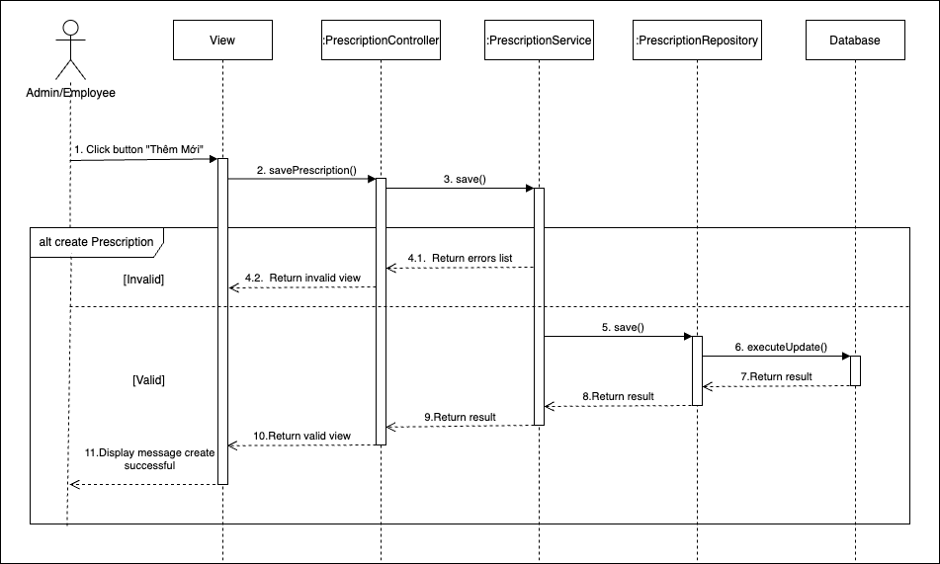

6.11.6.1.3 Màn hình sửa toa thuốc
1) Kiểm tra xem record có tồn tại

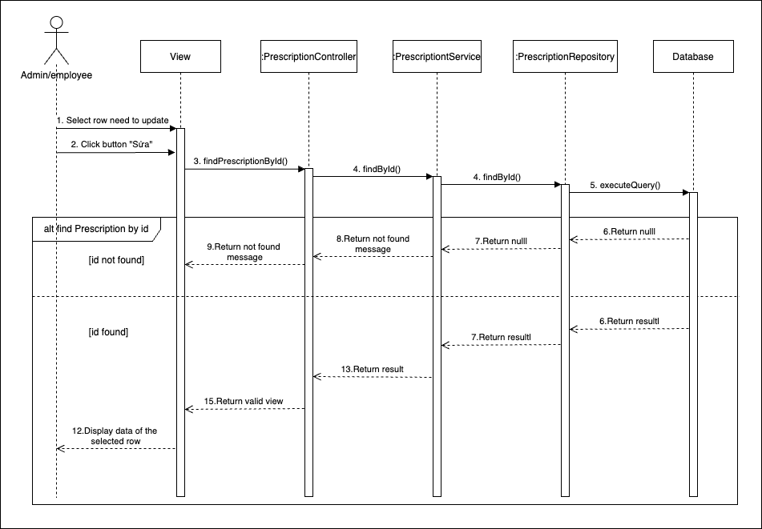

2) Trường hợp có tồn tại thì tiến hành chỉnh sửa

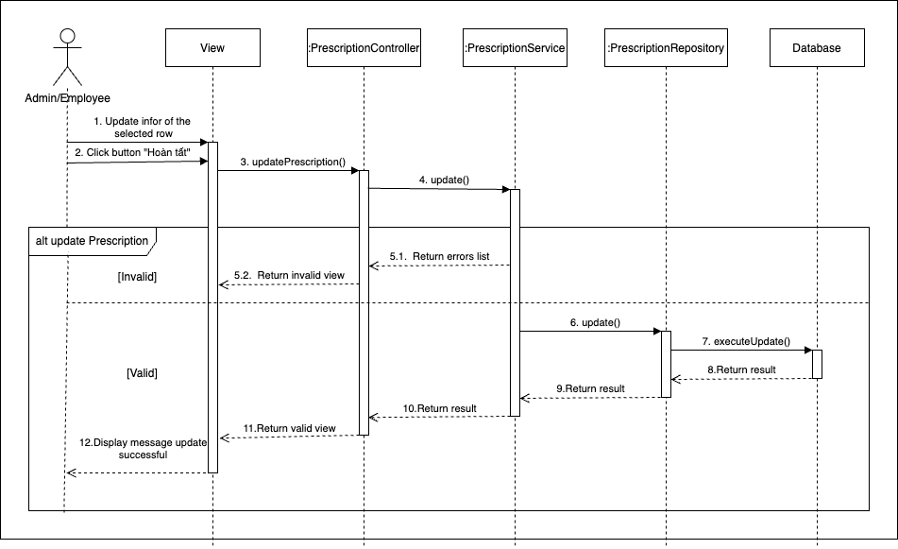

6.11.6.1.5 Xoá thông tin toa thuốc

